Sheet1
Assemblies | Description | Parts | Description
MIL-NVG-ASM-XXX |  | Leave Empty To Signify Assembly/Part Relation
 |  | MIL-NVG-PRT-XXXX
MAR-NVG-ASM-0001 | Marine Advanced Research WAM-V

MIL-NVG-ASM-0002 | Kill Switch System
 |  | MIL-NVG-PRT-0001 | Kill Switch Mount
 |  | MCM-NVG-PRT-5415K250 | Hose Clamp 2-13/16" to 3-3/4" Clamp ID
 |  | MCM-NVG-PRT-6785K23 | Kill Switch
MIL-NVG-ASM-0003 | Racquetball Launcher Pnuematics Assembly
 |  | MCM-NVG-PRT-5779K122 | Push-to-Connect Tube Fitting for Air
 |  | MCM-NVG-PRT-5485K252 | High-Pressure Brass Pipe Fitting
 |  | MCM-NVG-PRT-4880K770 | 3in x 3in PVC Pipe Fitting
 |  | MCM-NVG-PRT-4880K214 | 2in x 1NPT PVC Pipe Fitting
 |  | MCM-NVG-PRT-4880K314 | 1in x 1/2in PVC Pipe Fitting
 |  | MCM-NVG-PRT-4880K612 | 3in x 2in PVC Pipe Fitting
 |  | MCM-NVG-PRT-4880K630 | 1in x 1NPT PVC Pipe Fitting
 |  | MCM-NVG-PRT-48925K170 | 3in PVC Pipe
 |  | ORBT-NVG-ASM-57281 | 1in NPT Sprinkler Valve
MIL-NVG-ASM-0004 | Racquetball Launcher
 |  | MIL-NVG-PRT-0002 | Racquetball Launcher Breech
 |  | MIL-NVG-PRT-0003 | Racquetball Launcher Barrel
 |  | MIL-NVG-PRT-0004 | Barrel Cylinder Interface
 |  | MIL-NVG-PRT-0005 | Cylinder Mounting Plate
 |  | MIL-NVG-PRT-0006 | Racquetball Launcher Retention Ring
 |  | MIL-NVG-PRT-0007 | Compression Chamber Mount Top
 |  | MIL-NVG-PRT-0008 | Compression Chamber Mount Bottom
 |  | FABC-NVG-PRT- | 17/16in 100psi Air Cylinder
 |  | FABC-NVG-PRT- | 17/16in 100psi Air Cylinder Nut
MIL-NVG-ASM-0005 | Racquetball Launcher
 |  | MIL-NVG-PRT-0009 | Angled Mounting Beam for -ASM-0004
 |  | MIL-NVG-PRT-0010 | Horizontal Mounting Beam for -ASM-0004
 |  | MIL-NVG-PRT-0011 | Mounting Brackets
 |  | MIL-NVG-PRT-0012 | Cantilever Support
 |  | MCM-NVG-PRT-47065T239 | T-Slot Framing 2in x 2in 90deg Bracket
 |  | MCM-NVG-PRT-92196A561 | 18-8 SS SHS 1/4"-20 5"
 |  | MCM-NVG-PRT-91831A029 | 18-8 SS 1/4"-20 Nut
MIL-NVG-ASM-0006 | Auto Deploy Thruster
 |  | MNKO-NVG-ASM-1363855 | Minn Kota Riptide Thruster | https://www.russellmarineproducts.com/Minn-Kota-Riptide-RT80-T-Saltwater-Transom-Mount-p/1363831-min.htm
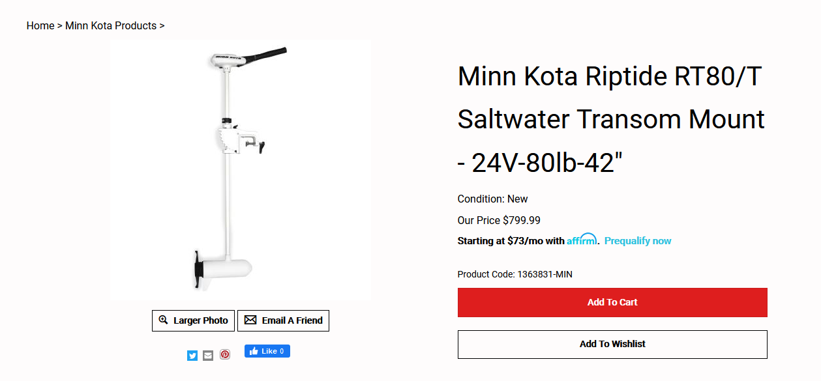

MIL-NVG-ASM-0007 | Battery Mount Receptacle
 |  | MIL-NVG-PRT-0012

